About
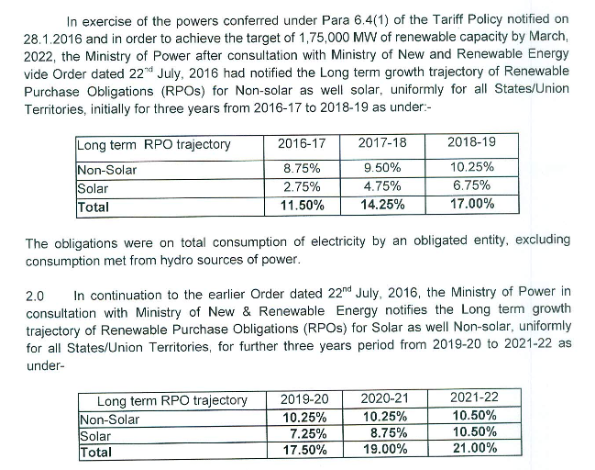
BRPSPTY BAU Renewable Portfolio Std Percentage This Year

Sources: | Ministry of Power
 | 2016
 | Guidelines for long-term RPO growth trajectory of Renewable Purchase Obligations (RPOs) for non-solar as well as for solar - reg.
 | https://www.mahaurja.com/meda/data/rporec/reports/MoP%20on%20Long%20term%20RPO%20trajectory.pdf

 | Ministry of Power
 | 2018
 | Long term growth trajectory of RPOs for solar and non-solar for 2019-20 to 2021-22
 | https://powermin.nic.in/sites/default/files/webform/notices/RPO_trajectory_2019-22_Order_dated_14_June_2018.pdf

Note:
The purpose of this variable is to specify the renewable portfolio standard
requirement that must be met in the BAU case (which the user may increase
via a policy lever, affecting the policy case).

RPO national targets have historically not been achieved for wind and solar generation.
Therefore, we do not include targets here, as we do not believe they are currently determining
capacity additions in the power sector. However, we do account for government renewable targets
in the variable elec/BPMCCS.

